Calculation
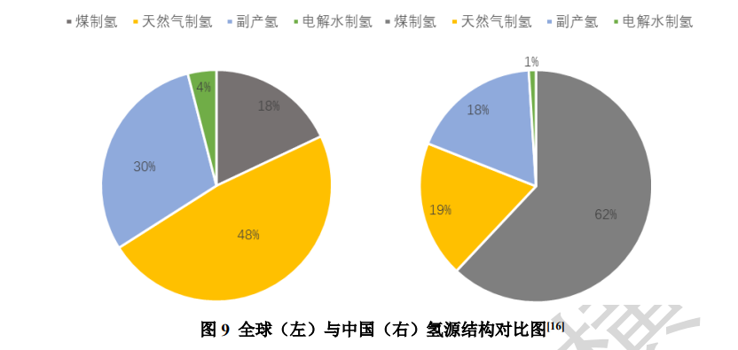
Table1：Including industrial byproduct hydrogen
Production Share (dimensionless)
electrolysis | 0.01
natural gas reforming | 0.19
coal gasification | 0.62
byproduct hydrogen | 0.18
biomass gasification | 0
thermochemical water splitting | 0

Table2：Excluding industrial byproduct hydrogen
Production Share (dimensionless)
electrolysis | 0.012
natural gas reforming | 0.232
coal gasification | 0.756
biomass gasification | 0
thermochemical water splitting | 0

Notes:
Hydrogen supply sector represents dedicated hydrogen production, not hydrogen produced as a byproduct of industrial operations aiming at producing a different product.
So, Table 2 recalculation the production shares.

Data source:
中国氢能产业发展蓝皮书（2023）
page 25，Figure 9
https://www.lightingchina.com.cn/upload/article/126449/file/1691910458643788.pdf

